Sheet1
Container x-ray problem |  |  |  |  | Scanning time (service time):
 |  |  |  |  | 90 | seconds/container
lambda= | 800 | containers/day |  |  | Scanning rate (service rate):
mu= | 960 | containers/day |  |  | 0.011111111111 | containers/second

rho= | 0.83333333333 | <1? | ✔

L_q= | 2.0833333333 | containers

L_s= | 0.83333333333 | containers

L= | 2.9166666667 | containers

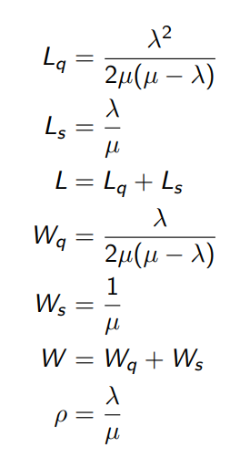
W_q= | 0.0026041666667 | days | 225 | seconds | 3.75 | minutes
 |  |  |  |  |  |  | Formulas for M/D/1 system (see slides part 4)
W_s= | 0.0010416666667 | days | 90 | seconds | 1.5 | minutes

W= | 0.0036458333333 | days | 315 | seconds | 5.25 | minutes

